Instructions
Create documents automatically using Sheetgo

 | ➊ | ➋ | ➌

 | Click "Use template" on the top right. | Click "Use" to open the Sheetgo add-on. | Select "Export data to another file".

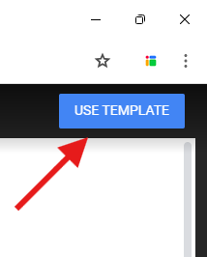
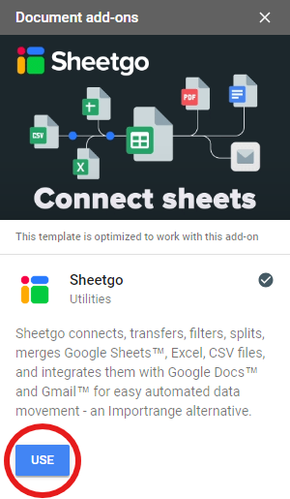
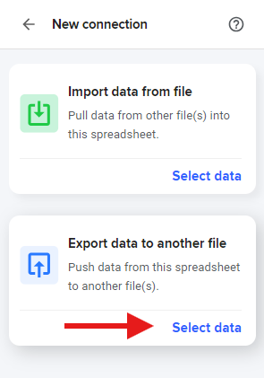

 | ➍ | ➎ | ➏

 | Under "File tab", choose one of the sample tabs from this spreadsheet to generate documents. Then click "Next step". | Under "Select a destination", go down to "Generate" and choose "Document". | Under "Template" select a Google Docs and under "New document name" provide a naming structure for new files. Both of these fields can include smart tags to make each file unique.

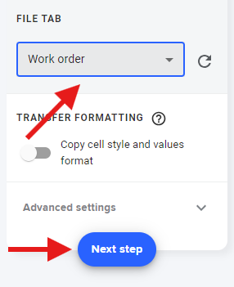
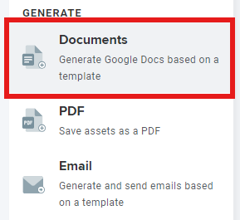
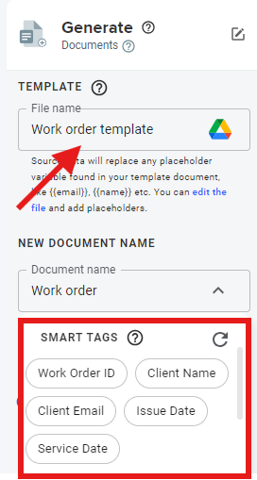

 | ➐

 | You can turn on "Check generated documents" to keep track of which documents have been created already.

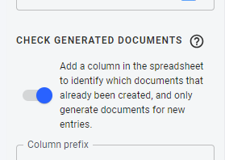

 | Smart tags

 | ✅ These are placeholders that allow you to include information from the spreadsheet into each file making it unique. ✅ You can use them in templates and in file names. Just include column headers from your spreadsheets between double curly brackets. For each new document, smart tags will be replaced with data from that column.

 | DISCLAIMER - All data in these sample tables is not real and the emails addresses are not valid. Add functional emails to fully test this feature.

